Sheet1

Order Sheet No. 3599
152, San Yuan Li, Guangzhou, China - 510000 Phone: +86 17613745501; +880 1875196424; Hotline: +880 9638710016. E-mail: cbmm.quiry@gmail.com, https://www.facebook.com/cbmm20 |  | China-Bangla (中-猛) Mega Mall
 |  |  | 152, San Yuan Li, Guangzhou, China - 510000 Phone: +86 17613745501; +880 1875196424; Hotline: +880 9638710016. E-mail: info@cbmm.com.bd, https://www.cbmm.com.bd
Picture | Name | Type | Size | Qty | N.W | G.W | U/Price | Shipping | Freight/P/U | Com | Total
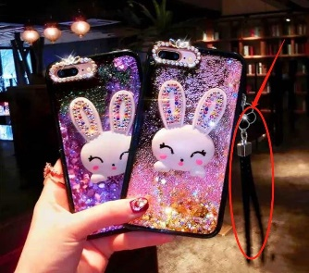 | Diamond stoned Luxurious Mobile back cover. Popular Element: Rhinestones. Material: Silica Gel (High Grade | Gadget |  | 50-9999 |  |  | ¥17.80 | ৳ 830.00
 | Diamond stoned Luxurious Mobile back cover. Popular Element: Rhinestones. Material: Silica Gel (Mid Grade | Gadget |  | 25-3000 |  |  | ¥16.97 | ৳ 830.00
 | Diamond stoned Luxurious Mobile back cover. Popular Element: Rhinestones. Material: TPU+PC (Mid Grade | Gadget |  | 25-2000 |  |  | ¥14.77 | ৳ 830.00
 | Diamond stoned Luxurious Mobile back cover. Popular Element: Rhinestones. Material: TPU (Lowest Grade | Gadget |  | 25-2000 |  |  | ¥12.73 | ৳ 830.00

 |  |  |  |  |  |  | ৳ 62.27 |  |  |  | ৳ -

